Sheet1
 |  | Document No. | Issue No. | Issue Date |  | Review and Replace Date |  | Authorised By
 |  | GFF103MC | 3 | 10.06.2019 |  | 15.12.2021
 |  | Document Title | 4 VEGETABLE SPRING ROLLS 200G
 |  | Page | 1 of 1 |  | Clause |  | 6.1 | Magda Shah
Document amendments reason for change |  | Film Updated |  |  | Previous Issue Date |  | 08.09.2021 | Uncontrolled copy unless signed original

CVSR2M-1R6TSP | SPAR |  | 4 VEGETABLE SPRING ROLLS 200G | CHILLED

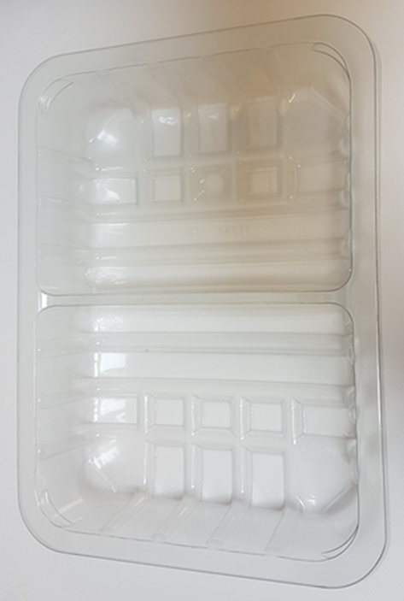 |  |  |  |  | 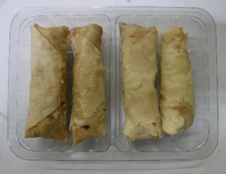

Tray: SK4-Split Clear (PKESSOO1-06) |  |  |  |  | 4 x Vegetable Spring Rolls (GFF114R) 50g
Film: ME300AFV2, 410mm Wide x 1 (PKPRO001-16) |  |  |  |  | Total Weight : 200g
ALLERGY ALERT: BARLEY, SOYA, WHEAT

